1.SCORING METRIC & DIFFER
▣SCORING METRICS METRICS & SCORING : QUANITIFYING THE QUALITY OF PREDICTIONS | REFERENCE

»WARNING--> | ⇰REFERENCE (Website)-->Udemy Regarding Thereotical & Practical Implementation (Coding) of cross_validate & Diff in cross_val_score & cross_validate | ⇰REFERENCE (Website)-->Stackoverflow Regarding Overall difference between (cross_val_score) & Kfold as well as Stratified K fold Cross Validation
1. On one hand, KFold & Stratified K fold & Other Techniques of Cross Validation in which lets you to split your data to K folds. 2.On the Other Hand cross_val_score & cross_validate is a function which evaluates a data and returns the score.

 | ⇰REFERENCE (Website)-->Scikit Learn Regarding Various Scoring Metrics 's Conceptual Understanding & Practical Usage in Cross_Val_Score & Cross_Validate

 | ⇰REFERENCE (Website)-->Stackoverflow Regarding Negative mean absolute error in scikit-learn?

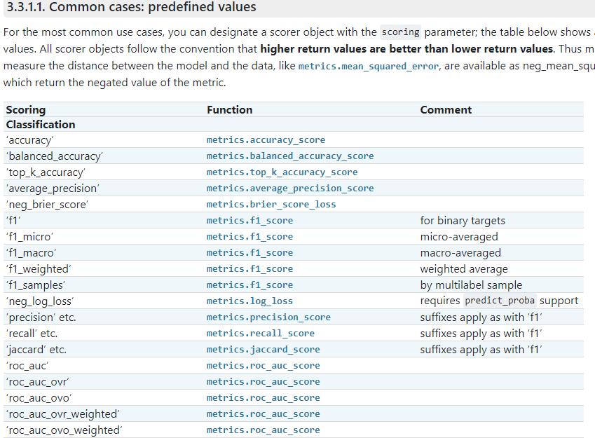

 | ⇰REFERENCE (Website)-->Khan Academy Regarding Concept of Ordering Negative Number

 | ⇰REFERENCE (Website)-->1.24 (iv) Google Colab Regarding Regularization of Thereotical & Practical of Elastic Net CV

 | ⇰REFERENCE (Website)-->Coderz Column Regarding Thereotical & Practical Implementation (Coding) Understanding of SCORING Metrics

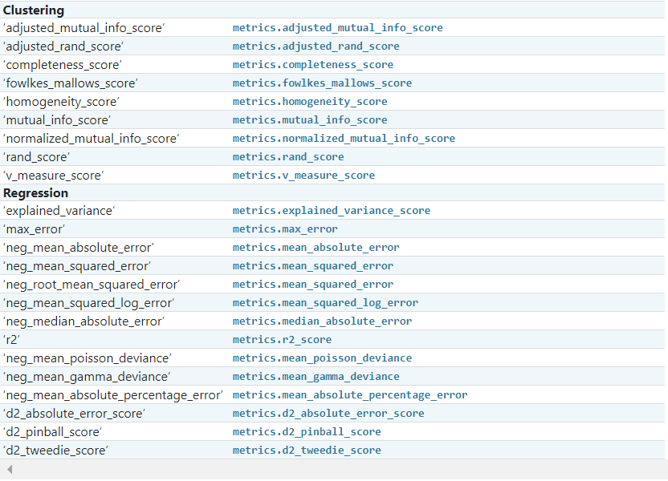

⇰Basically in Simple Word Scorer Metric is used for the purpose for finding what kind of evaluation Criteria is used in Given Data set . ⇰Pl understand difference in between in Negative_mean_absolute_error & Positive_mean_absolute_error (REFERENCE ATTACHED) | ⇰REFERENCE (Website)-->Stackoverflow Regarding Negative mean absolute error in scikit-learn?

 | ⇰REFERENCE (Website)-->Google Colab 1.5 (i)Cross Validation (SCORING Metrics) & Techniques for Scoring Metric Regarding Practical Impelemntation (Coding) of SCORERS

TECHNIQUES FOR SCORING METRICS

❶SCORING METRIC --> CROSS_VAL_SCORE USAGE WITH K FOLD CROSS VALIDATION
❷SCORING METRIC --> CROSS_VALIDATE
❸SCORING METRIC --GRID SEARCH CV
DIFFERENCE IN BETWEEN CROSS_VAL_SCORE & CROSS_VALIDATE | ⇰REFERENCE (Website)-->Scikit Learn Regarding METRICS & SCORING: quantifying the quality of predictions

⇰The cross_validate function differs from cross_val_score in two ways: ❶The cross_validate function allows us to view multiple performance SCORE METRICS from cross - validation on a model, and it also allows us to explore how much time fitting and testing took on those faults. ❷cross_validate returns a dict containing fit-times, score-times (and optionally training scores as well as fitted estimators) in addition to the test score. ֎For single metric evaluation, where the scoring parameter is a string, callable or None, the keys will be: ['test_score', 'fit_time', 'score_time'] ֎& for multiple metric evaluation, the return value is a dict with the following keys will be: ['test_<scorer1_name>', 'test_<scorer2_name>', 'test_<scorer...>', 'fit_time', 'score_time']

 | ⇰REFERENCE (Website)-->Udemy Regarding Thereotical & Practical Implementation (Coding) of cross_validate & Diff in cross_val_score & cross_validate

2.Score Metric>Cross_val_scor
▣SCORING METRICS (CROSS_VAL_SCORE) USAGE WITH K FOLD CROSS VALIDATION | REFERENCE

WARNING--> | ⇰REFERENCE (Website)-->Stackoverflow Regarding Overall difference between (cross_val_score) & Kfold as well as Stratified K fold Cross Validation
1. On one hand, KFold & Stratified K fold & Other Techniques of Cross Validation in which lets you to split your data to K folds. 2.On the Other Hand cross_val_score & cross_validate is a function which evaluates a data and returns the score.

CROSS_VAL_SCORE & IT'S IMPLEMENTATION
 | ⇰REFERENCE (Website)-->Scikit Learn Regarding Theoretical &Practical Implementation (Coding) of Cross_val_score
DIFFERENCE IN BETWEEN CROSS_VAL_SCORE & CROSS_VALIDATE

⇰The cross_validate function differs from cross_val_score in two ways: ❶The cross_validate function allows us to view multiple performance SCORE METRICS from cross - validation on a model, and it also allows us to explore how much time fitting & testing took on those faults. ❷cross_validate returns a dict containing fit-times, score-times (optionally training scores as well as fitted estimators) in addition to the test score. ֎For single metric evaluation, where the scoring parameter is a string, callable or None, the keys will be: ['test_score', 'fit_time', 'score_time'] ֎For multiple metric evaluation, the return value is a dict with the following keys will be: ['test_<scorer1_name>', 'test_<scorer2_name>', 'test_<scorer...>', 'fit_time', 'score_time']

 | ⇰REFERENCE (Website)-->Scikit Learn Regarding Various Scoring Metrics & Practical Usage in Cross_Val_Score & Cross_Validate

 | ⇰REFERENCE (Website)-->Udemy Regarding Thereotical & Practical Implementation (Coding) of cross_validate & Diff in cross_val_score & cross_validate
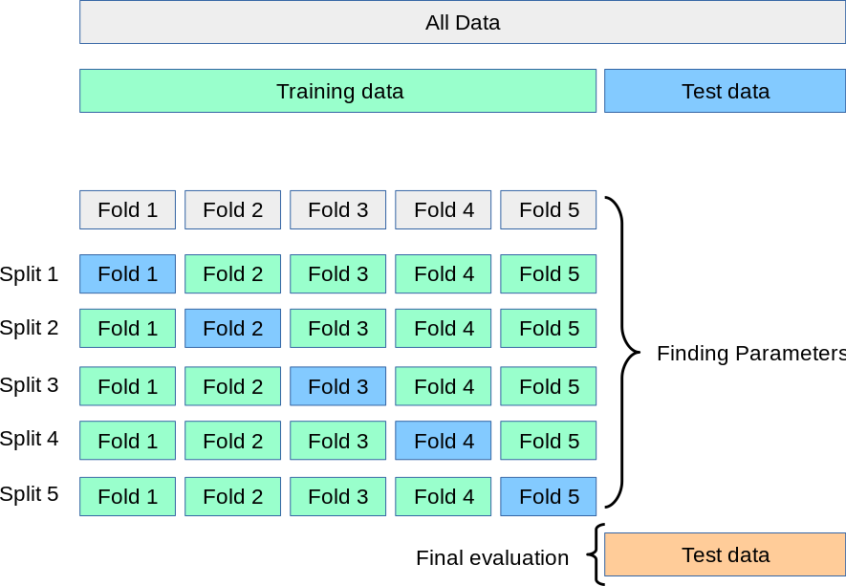

 | ⇰REFERENCE (Website)-->Udemy Regarding Conceptual & Thereotical Understanding of cross_values_score

⇰According to Scikit Learn Cross_val_score means Evaluation of score by cross-validation. ⇰Basically in Simple Words Cross_val_score is a method which runs cross validation on a dataset to test whether the model can generalise over the whole dataset. The function returns a list of (1) one score per split & That's Main Difference in Cross_val_score & Cross_validate & the average of these scores can be calculated to provide a single metric value for the dataset. This is a function & a technique which you should add to your workflow to make sure you are developing highly performance models. | ⇰REFERENCE (Website)-->Scikit Learn Regarding Theoretical &Practical Implementation (Coding) of Cross_val_score

 |  | ⇰REFERENCE (Excel Sheet)-->2.5 (i) Excel Cross Validation Regarding SCORING METRICS & It's Practical Implementation Of Cross_val_score

 | ⇰REFERENCE (Website)-->Stephen Allwright Regarding Theoretical & Practical & Conceptual Understanding of Cross_val_score
⇰Now the cross_val_score function uses a model & training set along (k value & shows an error metric to perform all of this for us automatically) & Basically this Allows K fold Cross Validation to be performed at any model.

IMPERATIVE / FUNDAMENTAL HYPER PARAMETER FOR MODEL
 | ⇰REFERENCE (Website) -->Udemy Regarding Conceptual & Practical Implementation (Coding) Understanding for cross_val_score

 | ⇰REFERENCE (Website)-->Scikit Learn Regarding Theoretical &Practical Implementation (Coding) of Cross_val_score

⇰estimator:estimator object implementing ‘fit’ ❶The object to use to fit the data. ❷An estimator is an object that fits a model based on some training data & is capable of inferring some properties on new data. It can be, for instance, a classifier or a regressor. All estimators implement the fit method.

 | ⇰REFERENCE (Website)-->Scikit Learn Regarding Conceptual Understanding of Hyper Parameter 'estimator'

⇰X:array-like of shape (n_samples, n_features) --> X_train ❶The data to fit. Can be for example a list, or an array.

⇰y:array-like of shape (n_samples,) or (n_samples, n_outputs), default=None -->y_train ❶The target variable to try to predict in the case of supervised learning.

⇰scoring:str or callable, default=None ❶Basically in Simple Word Scorer Metric is used for the purpose for finding what kind of evaluation Criteria is used in Given Data set . ❷Pl understand difference in between in Negative_mean_absolute_error & Positive mean absolute error | ⇰REFERENCE (Excel Sheet)-->2.5 (i) Excel Sheet Regarding Conceptual & Practical Understanding of Scoring Metrics | ⇰REFERENCE (Website)-->Scikit Learn Regarding Conceptual & Practical Understanding of Various Hyper Parameter for Cross_val_score

 | ⇰REFERENCE (Website)-->1.5 Google Colab CROSS VALIDATION (CV) (SCORING METRICS)-->(cross_val_score) Regarding Practical Implementation (Coding) of SCORING METRICS

 |  | ⇰REFERENCE (Website)-->Scikit Learn Regarding Metric Scoring Or Various Types of Metric Scoring

⇰cv:int, cross-validation generator or iterable, default=None ⇒In Simple Words CV number, which is the number of folds in K fold cross validation by default.If you scroll down in the documentation, it eventually tells you that it's going to say it's a default five fold cross validation.So we'll keep the default if you want.You can define it here as CV is equal to five ⇒Determines the cross-validation splitting strategy. Possible inputs for cv are: ❶None, to use the default 5-fold cross-validation ❷int, to specify the number of folds ❸An iterable yielding (train, test) splits as arrays of indices. ❹For int/None inputs, KFold is used.
 | ⇰REFERENCE (Website)-->Udemy Regarding Conceptual & Thereotical Implementation Regarding cross_values_score

SUPPORTING HYPER PARAMETER FOR MODEL

⇰verbose:bool or int, default=False ❶Amount of verbosity ❷Verbosity level is related just to logging. In unit tests you find it for the logging of the information. ❸These levels decide the amount of information you will get. For example setting the level to ERROR for running unit tests will display only the cases for which the unit tests failed. Setting it to DEBUG will give you more (the most in fact) info such as what were the values of the variables (in assert statements etc).It is more useful in cases where your program has different levels of logging & you want your users to see different levels of info. For eg. usually you don't want the users to see details of internals, apart from fatal errors. So users will be running the program in FATAL or CRITICAL mode. But when some error occurs you will need such details. ❹The verbosity level: if non zero, progress messages are printed. Above 50, the output is sent to stdout. The frequency of the messages increases with the verbosity level. If it more than 10, all iterations are reported. ❺By setting verbose 0, 1 or 2 you just say how do you want to 'see' the training progress for each epoch. | ⇰REFERENCE (Website)-->Stackoverflow Regarding Conceptual & Thereotical Info Regarding ('What is verbosity level exactly in python?') (difference between each level)

 | ⇰REFERENCE (Website)-->Stackoverflow Regarding 'What is the use of verbose in Scikit Learn while validating the model?

 | ⇰REFERENCE (Website)-->Scikit Learn Regarding Conceptual & Practical Understanding of Various Hyper Parameter for Cross_val_score

⇰n_jobs:int, default=None ❶Number of CPUs to use during the cross validation. None means 1 unless in a joblib.parallel backend. ❷The maximum number of concurrently running jobs, such as the number of Python worker processes when backend=”multiprocessing” or the size of the thread-pool when backend=”threading”. If -1 all CPUs are used. If 1 is given, no parallel computing code is used at all, and the behavior amounts to a simple python for loop. This mode is not compatible with timeout. For n_jobs below -1, (n_cpus + 1 + n_jobs) are used. Thus for n_jobs = -2, all CPUs but one are used. ❸n_jobs=-1-->running with n-jobs = -1: (after adding the if __name__ == '__main__': line to my script) I see the script starting 4 processes with 10 threads each. Each process uses about 25% of the CPU (total: 100%). Seems to work as expected. ❹n_jobs=1-->running with n-jobs = 1: stays on a single process (not a surprise), with 20 threads, and also uses 100% of the CPU. | ⇰REFERENCE (Website)-->Joblib Python Library Regarding Parameters of Joblib.Parallel() ' Hyper Parameter of n_jobs

 | ⇰REFERENCE (Website)-->Stackoverflow Regarding Thereotical & Practical Implementation of n_jobs 's Hyper Parameter for LASSO CV's Model

 | ⇰REFERENCE (Website)-->Scikit Learn Regarding Conceptual & Practical Understanding of Various Hyper Parameter for Cross_val_score

 | ⇰REFERENCE (Website)-->Udemy Regarding Conceptual & Thereotical Implementation of cross_values_score

⇰error_score:‘raise’ or numeric, default=np.nan ❶Value to assign to the score if an error occurs in estimator fitting. If set to ‘raise’, the error is raised. If a numeric value is given, Fit FailedWarning is raised.

 | ⇰REFERENCE (Website)-->(Google Colab) 1.5 (ii)Cross Validation (SCORING Metrics) & Techniques for Scoring Metric Regarding Practical Implementation (Coding) of K Fold CV With (Scoring Meter) Cross_val_score & Performance Evaluation

 | ⇰REFERENCE (Website)-->Scikit Learn Regarding Theoretical &Practical Implementation (Coding) of Cross_val_score

3.Score Metric>Cross_Validate
▣SCORING METRICS (CROSS_VALIDATE) USAGE WITH TRAIN |TEST|SPLIT | REFERENCE

WARNING--> | ⇰REFERENCE (Website)-->Scikit Learn Regarding Theoretical & Practical Implementation (Coding) of cross_validate | ⇰REFERENCE (Website)-->Stackoverflow Regarding Overall difference between (cross_val_score) & Kfold as well as Stratified K fold Cross Validation
1. On one hand, KFold & Stratified K fold & Other Techniques of Cross Validation in which lets you to split your data to K folds. 2.On the Other Hand cross_val_score & cross_validate is a function which evaluates a data and returns the score.

DIFFERENCE IN BETWEEN CROSS_VAL_SCORE & CROSS_VALIDATE
 | ⇰REFERENCE (Website)-->Scikit Learn Regarding METRICS & SCORING: quantifying the quality of predictions
⇰The cross_validate function differs from cross_val_score in two ways: ❶The cross_validate function allows us to view multiple performance SCORE METRICS from cross - validation on a model, and it also allows us to explore how much time fitting & testing took on those faults. ❷cross_validate returns a dict containing fit-times, score-times (& optionally training scores as well as fitted estimators) in addition to the test score. ֎For single metric evaluation, where the scoring parameter is a string, callable or None, the keys will be: ['test_score', 'fit_time', 'score_time'] ֎& for multiple metric evaluation, the return value is a dict with the following keys will be: ['test_<scorer1_name>', 'test_<scorer2_name>', 'test_<scorer...>', 'fit_time', 'score_time']

 | ⇰REFERENCE (Website)-->Udemy Regarding Thereotical & Practical Implementation (Coding) of cross_validate & Diff in cross_val_score & cross_validate

 | ⇰REFERENCE (Website)-->(Google Colab) 1.5 (i)Cross Validation (SCORING Metrics) & Techniques for Scoring Metric Regarding Cross_validate single Metric Evaluation & Multiple Metric Evaluation

CROSS_VALIDATE & IT'S IMPLEMENTATION

⇰Cross_validate is a function in the scikit-learn package which trains & tests a model over multiple folds of your dataset. This cross validation method gives you a better understanding of model performance over the whole dataset instead of just a single train/test split. ⇰In Simple Understanding The cross_validate function allows us to view multiple performance SCORE METRICS from cross - validation on a model, and it also allows us to explore how much time fitting and testing took on those faults. | ⇰REFERENCE (Website)-->Scikit Learn Regarding Various Scoring Metrics 's Conceptual Understanding & Practical Usage in Cross_Val_Score & Cross_Validate

IMPERATIVE / FUNDAMENTAL HYPER PARAMETER FOR MODEL
 | ⇰REFERENCE (Website)-->Scikit Learn Regarding Theoretical & Practical Implementation (Coding) of cross_validate

⇰estimator:estimator object implementing ‘fit’ ❶The object to use to fit the data. ❷An estimator is an object that fits a model based on some training data & is capable of inferring some properties on new data. It can be, for instance, a classifier or a regressor. All estimators implement the fit method.

⇰X:array-like of shape (n_samples, n_features) --> X_train ❶The data to fit. Can be for example a list, or an array.

⇰y:array-like of shape (n_samples,) or (n_samples, n_outputs), default=None -->y_train ❶The target variable to try to predict in the case of supervised learning.

⇰scoring:str or callable, default=None ❶Basically in Simple Word Scorer Metric is used for the purpose for finding what kind of evaluation Criteria is used in Given Data set . ❷Pl understand difference in between in Negative_mean_absolute_error & Positive mean absolute error. ❸ If scoring represents a single score, one can use: ֎a single string (see The scoring parameter: defining model evaluation rules); ֎a callable (see Defining your scoring strategy from metric functions) that returns a single value. ❹If scoring represents multiple scores, one can use: ֎a list or tuple of unique strings; ֎A callable returning a dictionary where the keys are the metric names and the values are the metric scores; ֎A dictionary with metric names as keys & callables a values. | ⇰REFERENCE (Excel Sheet)-->2.5 (i) Excel Sheet Regarding Conceptual & Practical Understanding of Scoring Metrics | ⇰REFERENCE (Website)-->Scikit Learn Regarding Metric Scoring Or Various Types of Metric Scoring

 | ⇰REFERENCE (Website)-->1.5 Google Colab CROSS VALIDATION (CV) (SCORING METRICS) Regarding Practical Implementation (Coding) of SCORING METRICS

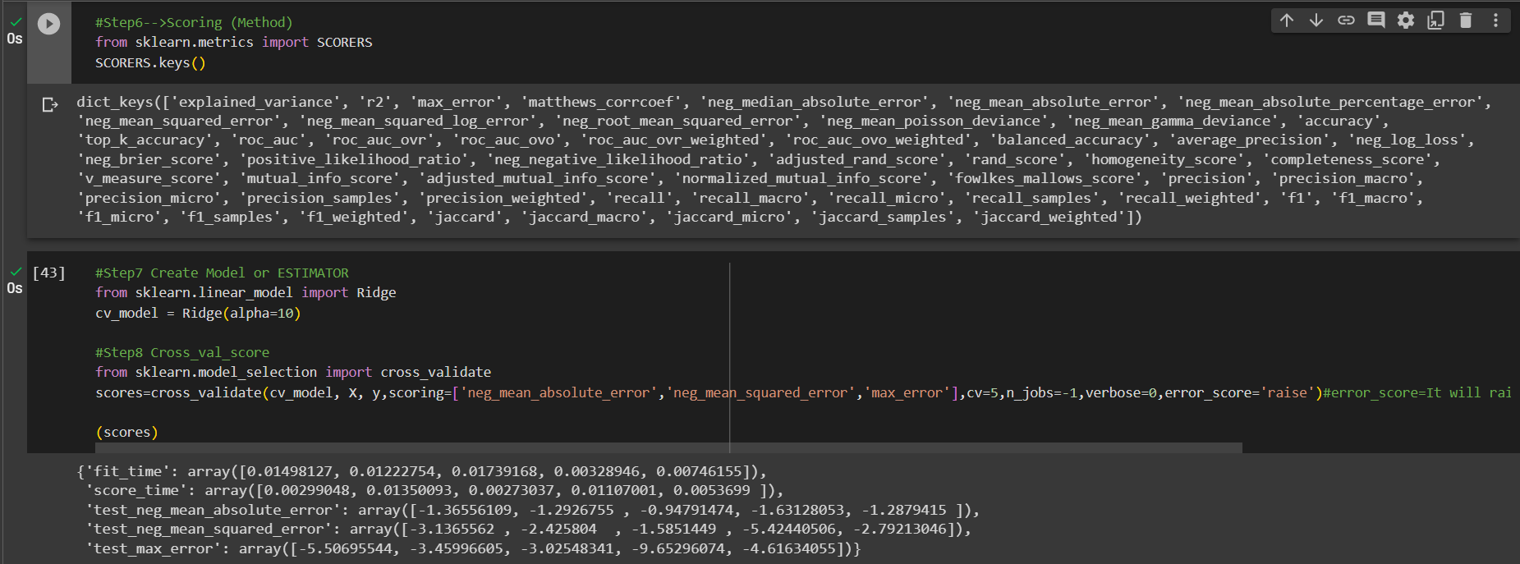 | ⇰REFERENCE (Website)-->(Google Colab) 1.5 (i)Cross Validation (SCORING Metrics) & Techniques for Scoring Metric Regarding Various SCORING Metric& Practical Implementation (Coding) of SCORING Method

 | ⇰REFERENCE (Website)-->Scikit Learn Regarding Theoretical & Practical Implementation (Coding) of cross_validate

⇰cv:int, cross-validation generator or iterable, default=None ⇒In Simple Words CV number, which is the number of folds in K fold cross validation by default.If you scroll down in the documentation, it eventually tells you that it's going to say it's a default five fold cross validation.So we'll keep the default if you want.You can define it here as CV is equal to five. ⇒Determines the cross-validation splitting strategy. Possible inputs for cv are: ❶None, to use the default 5-fold cross-validation ❷int, to specify the number of folds ❸An iterable yielding (train, test) splits as arrays of indices. ❹For int/None inputs, KFold is used. | ⇰REFERENCE (Website)-->Scikit Learn Regarding METRICS & SCORING: quantifying the quality of predictions

 | ⇰REFERENCE (Website)-->Udemy Regarding Thereotical & Practical Implementation (Coding) of cross_validate & Diff in cross_val_score & cross_validate

SUPPORTING HYPER PARAMETER FOR MODEL

⇰verbose:bool or int, default=False ❶Amount of verbosity ❷Verbosity level is related just to logging. In unit tests you find it for the logging of the information. ❸These levels decide the amount of information you will get. For example setting the level to ERROR for running unit tests will display only the cases for which the unit tests failed. Setting it to DEBUG will give you more (the most in fact) info such as what were the values of the variables (in assert statements etc).It is more useful in cases where your program has different levels of logging & you want your users to see different levels of info. For eg. usually you don't want the users to see details of internals, apart from fatal errors. So users will be running the program in FATAL or CRITICAL mode. But when some error occurs you will need such details. ❹The verbosity level: if non zero, progress messages are printed. Above 50, the output is sent to stdout. The frequency of the messages increases with the verbosity level. If it more than 10, all iterations are reported. ❺By setting verbose 0, 1 or 2 you just say how do you want to 'see' the training progress for each epoch.

 | ⇰REFERENCE (Website)-->Stackoverflow Regarding Conceptual & Thereotical Info Regarding ('What is verbosity level exactly in python?') (difference between each level)

 | ⇰REFERENCE (Website)-->Stackoverflow Regarding 'What is the use of verbose in Scikit Learn while validating the model?

⇰n_jobs:int, default=None ❶Number of CPUs to use during the cross validation. None means 1 unless in a joblib.parallel backend. ❷The maximum number of concurrently running jobs, such as the number of Python worker processes when backend=”multiprocessing” or the size of the thread-pool when backend=”threading”. If -1 all CPUs are used. If 1 is given, no parallel computing code is used at all, and the behavior amounts to a simple python for loop. This mode is not compatible with timeout. For n_jobs below -1, (n_cpus + 1 + n_jobs) are used. Thus for n_jobs = -2, all CPUs but one are used. ❸n_jobs=-1-->running with n-jobs = -1: (after adding the if __name__ == '__main__': line to my script) I see the script starting 4 processes with 10 threads each. Each process uses about 25% of the CPU (total: 100%). Seems to work as expected. ❹n_jobs=1-->running with n-jobs = 1: stays on a single process (not a surprise), with 20 threads, and also uses 100% of the CPU. | ⇰REFERENCE (Website)-->Joblib Python Library Regarding Parameters of Joblib.Parallel() ' Hyper Parameter of n_jobs

 | ⇰REFERENCE (Website)-->Stackoverflow Regarding Thereotical & Practical Implementation of n_jobs 's Hyper Parameter for LASSO CV's Model

 | ⇰REFERENCE (Website)-->Udemy Regarding Thereotical & Practical Implementation (Coding) of cross_validate & Diff in cross_val_score & cross_validate

 |  | ⇰REFERENCE (Website)-->Stackoverflow Regarding Conceptual & Thereotical Info Regarding ('What is verbosity level exactly in python?') (difference between each level)

⇰error_score:‘raise’ or numeric, default=np.nan ❶Value to assign to the score if an error occurs in estimator fitting. If set to ‘raise’, the error is raised. If a numeric value is given, Fit FailedWarning is raised.

 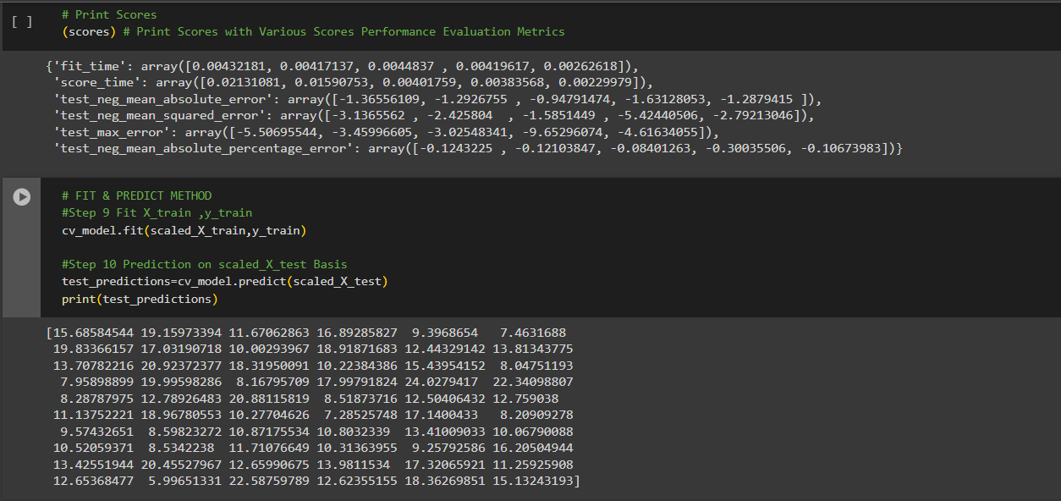 | ⇰REFERENCE (Website)-->Google Colab 1.5 (ii) Google Colab Cross Validation (SCORING METRIC) & Technique of CV Regarding Practical Implementation (Coding) of SCORING METRIC --> Cross_validate()

4.TRAIN|TEST|SPLIT
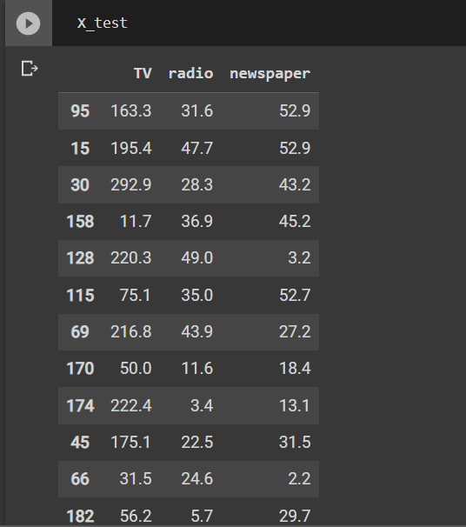
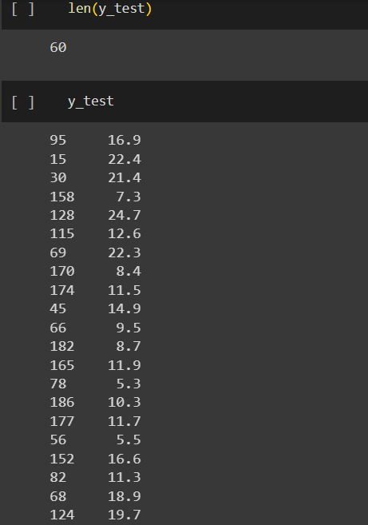
TRAIN | TEST | SPLIT

⇰REFERENCE (WEBSITE)-->Udemy Regarding Train_Test_Split
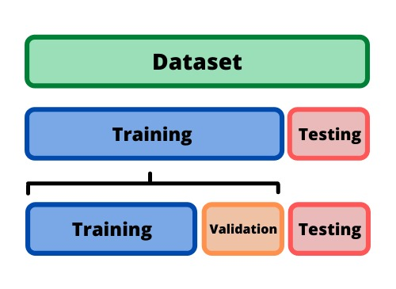 ⇰DEFINITION OF TRAIN-TEST-SPLIT →To fairly evaluate my model's performance, I don't want to evaluate it on the same data it was trained at. First we separates out the features and then it separates out the labels Further we'll separate out a training set and a test set Which Further Subdivide into 4 Components --> X train and Y train and then X test and y test the weights.

PARAMETERS FOR TRAIN | TEST | SPLIT | REFERENCE

⇰X_train→X_train Contains the Values of The Features (X1(Newspaper) ,X2(Radio) , X3(Television) This includes your all independent variables,these will be used to train the model, also as we have specified the test_size = 0.4, this means 60% of observations from your complete data will be used to train/fit the model and rest 40% will be used to test the model. | ⇰REFERENCE (Website)--> Stackoverflow Regarding TRAIN-TEST-SPLIT

⇰X_test→This is remaining 40% portion of the independent variables [Features(X1(Newspaper) ,X2(Radio) , X3(Television)] from the data which will not be used in the training phase and will be used to make predictions to test the accuracy of the model.
 | ⇰REFERENCE (Website)-> Stackoverflow Regarding TRAIN-TEST-SPLIT

⇰y_train→This is your dependent variable which needs to be predicted by this model, this includes category labels against your independent variables (Output =Total Sales), we need to specify our dependent variable while training/fitting the model.

 | ⇰REFERENCE (Website)-->(1.2) Google Colab Linear Regression Regarding Practical Implementation (Coding) of TRAIN | TEST SPLIT
⇰y_test→This data has category labels (Dependent Variable) (Output = Total Sales) for your test data, these labels will be used to test the accuracy between actual and predicted categories.

⇰test_size→test_size is the number that defines the size of the test set. It's very similar to train_size . You should provide either train_size or test_size . If neither is given, then the default share of the dataset that will be used for testing is 0.25 , or 25 percent. Especially in This Case test_size is 0.3 or 30% of Total Data Size.
 | ⇰REFERENCE (Website)-> Scikit Learn Regarding TRAIN-TESTS-SPLIT

⇰Random_state →Random_state is used to set the seed for the random generator so that we can ensure that the results that we get can be reproduced. Because of the nature of splitting the data in train and test is randomised you would get different data assigned to the train and test data unless you can control for the random factor. ↔Example-->For example, imagine you have numbers: 1,2,3,4,5 and you want to select two random numbers. Without using a random_state you would get different things: i.e. first 2,5 then 3,4 and so on.When you control the random generator by setting the random state to 0, 1 or another number, everyone would get the same random numbers generated: i.e random_state=1 then the random numbers are 1,3 and everyone who will pick two random numbers using random_state=1 from 1,2,3,4,5 will get the same two numbers as you: 1,3. →The random state hyperparameter is used to control any such randomness involved in machine learning models to get consistent results. We can use cross-validation to mitigate the effect of randomness involved in machine learning models. →Reason For Random State Usage--> ❶. We need t
 | ⇰REFERENCE (Website)-> Real Python Regarding TRAIN-TESTS-SPLIT

 | ⇰REFERENCE (Website)--> Geeks For Geeks Regarding Practical Impelentation (Coding) of TRAIN | TEST SPLIT

 | ⇰REFERENCE (Website)-> Scikit Learn Regarding TRAIN-TESTS-SPLIT

 | ⇰REFERENCE (Website)-> Real Python Regarding TRAIN-TESTS-SPLIT

⇰Shuffle Split→shuffle is the Boolean object (True by default) that focus on whether to shuffle the dataset before applying the split. →Reason For Random State Usage--> ❶The other reason that we have a random state here is because what Sk learn is going to do when it calls train test split is it's actually going to shuffle the arrays first.So you'll notice here that it actually is calling a shuffle split.That's why main reason it's calling a shuffle split. ❷If we See almost any Data set We can tell that more or less my data appears to be in no sort of sorted order.But for other data sets, it's not uncommon that when you read it in, it's actually already sorted for you. What we don't want to do is if our data set is in some sort of order or sorted is grab the first 70% of the rows for the train set and then the last 30% for the test set. Instead, we want to make sure that we shuffle everything first and then grab the 70% and 30%.That way I don't have an accidentally ordered data set and the test set happens to be all the highest sales and the training set is the lowest 70% of sales. That could be really dangerous as far as fairly evaluating and training your model. So instead we just alleviate any issues of that by shuffling the data set first.

 | ⇰REFERENCE (Website)-->(1.2) Google Colab Linear Regression Regarding Practical Implementation (Coding) of TRAIN | TEST SPLIT

 | ⇰REFERENCE (Website)-->(1.3) Google Colab (Polynomial Regression) Regarding Practical Implementation (Coding) of TRAIN | TEST SPLIT

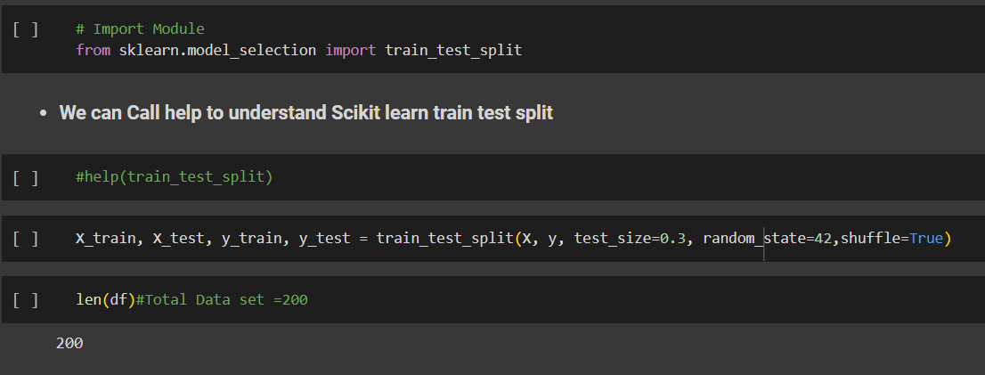 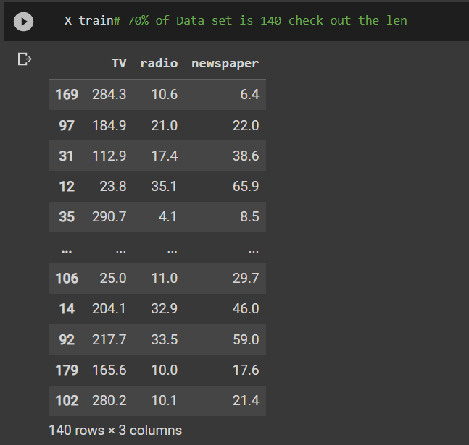 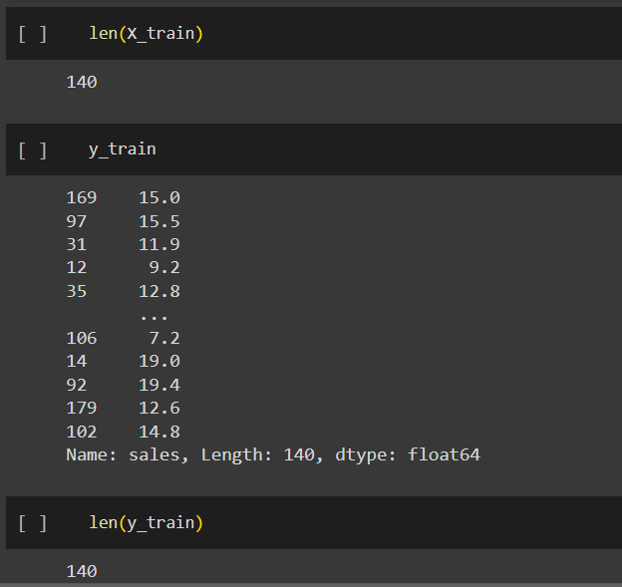 | ⇰REFERENCE (Website)-->(1.2) Google Colab Linear Regression Regarding Practical Implementation (Coding) of TRAIN | TEST SPLIT

 | ⇰REFERENCE (Website)-->(1.3) Google Colab (Polynomial Regression) Regarding Practical Implementation (Coding) of TRAIN | TEST SPLIT

5.Feature Scaling
2. (THEREOTICAL) FEATURE SCALING | REFERENCE

①What is Feature Scaling ? | ⇰REFERENCE (Website)-->Udemy Regarding Definition & Meaning & Definition as well as benefits of Feature Scaling
⇰Many machine learning algorithms perform better when numerical input variables are scaled to a standard range.This includes algorithms that use a weighted sum of the input, like linear regression, and algorithms that use distance measures, like k-nearest neighbors.

②What is Scale Invariance ? | ⇰REFERENCE (Website)-->Wikipedia Regarding Definition & Meaning of Scale Invariance
⇰In physics, mathematics and statistics, scale invariance is a feature of objects or laws that do not change if scales of length, energy, or other variables, are multiplied by a common factor, and thus represent a universality.

 | ⇰REFERENCE (You Tube)-->Feature Scale Importance For Gradient Descent By Priyanshu Vats
③Benefits of Feature Scaling ?
❶The most important benefit is that feature scaling improves the convergence of the steepest descent algorithms & what we mean by that are algorithms like gradient descent in trying to minimize the lost function.Those gradient descent algorithms do not possess the property of Scale Invariance.

 | ⇰REFERENCE (You Tube)-->Code Basics(Hindi) Regarding Overall Thereotical Definition & Practical Implementation (Coding) of Cost Function or Line of Best Fit

❷So what we mean by that is that if you have features that are on different scales and you're trying to use something like gradient descent to figure out the optimal coefficients, certain weights for those coefficients may update faster than others, since the feature values may play a role in those coefficient or weight updates.

❸Essentially what we mean is, if you can imagine gradient descent in multiple dimensions and you have some features on much different or much larger scales than others, then the weights that are being restricted to those really large scales are going to take longer to update than the scales for features that are much smaller & so what you want is that all the features are on roughly the same scale.
 | ⇰REFERENCE (You Tube) --> Krishna Naik Regarding Overall Implementation & Def & Why and When Should we Perform Feature Normalization?

❹That way, the gradient descent as far as the convergence of the optimal coefficients or weights can take around the same amount of time for each of those features.So that really is the critical benefit of feature scaling.
 | ⇰REFERENCE (Website)--> Scikit Learn Regarding Practical Implementation & Definition of Feature Scaling (Especially Standard Scaler)

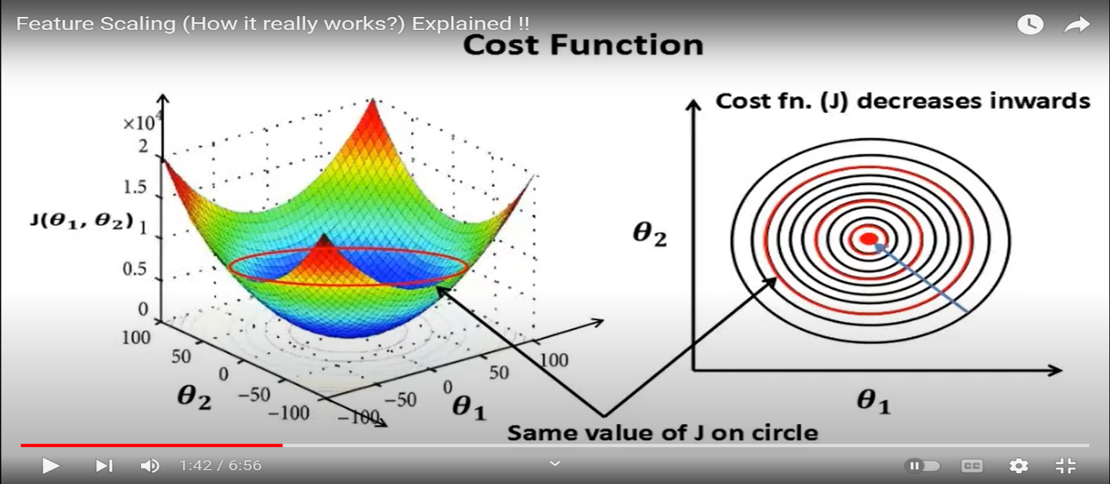

 | ⇰REFERENCE (Website)-->Udemy Regarding Definition & Meaning & Definition as well as benefits of Feature Scaling

 | ⇰REFERENCE (You Tube)-->Feature Scale Importance For Gradient Descent By Priyanshu Vats

 | ⇰REFERENCE (You Tube)-->Code Basics(Hindi) Regarding Overall Thereotical Definition & Practical Implementation (Coding) of Cost Function or Line of Best Fit

④Caveats (Warning) of Using Feature Scaling in Various Models ?

⇰Must Always Scale new Unseen data Before Feeding to Model. ⇰Effect Direct Interpretability of Feature Coefficients. ❶Easier to Compare coefficients to one another , harder to relate back to original unscaled feature

 | ⇰REFERENCE (Website)-->Geeks For Geeks Regarding ML | Feature Scaling – Part 2

B. TYPES OF FEATURE SCALING | REFERENCE

①STANDARDIZATION (Standard Scaler) Or Z score Normalization | ⇰REFERENCE (Website)--> Scikit Learn Regarding Practical Implementation & Definition of Feature Scaling (Especially Standard Scaler)
⇰Standardization Rescales data to have a mean that is mu of 0 and a standard deviation of 1, which means you're essentially standardizing all your data to follow a standard normal distribution so you could have negative values there. Name Sake Can be confusing since this also referred as Z score normalization ⇰Name Sake Can be confusing since this also referred as Z score normalization ⇰Standardization scales each input variable separately by subtracting the mean (called centering) and dividing by the standard deviation to shift the distribution to have a mean of zero and a standard deviation of one. ⇰In Simple Words Standardization Mean Rescaling Data to have mean (μ) of 0 & Standard Deviation (σ) of 1 Unit Variance) .

 | ⇰REFERENCE (Website)-->Udemy Regarding Definition & Meaning & Definition as well as benefits of Feature Scaling

 | ⇰REFERENCE (Website)-->Machine Learning Mastery Regarding Thereotical & Practical (Coding) Implementation Regarding Meaning & Understanding of 1st Types of Feature Scaling That is Standardization
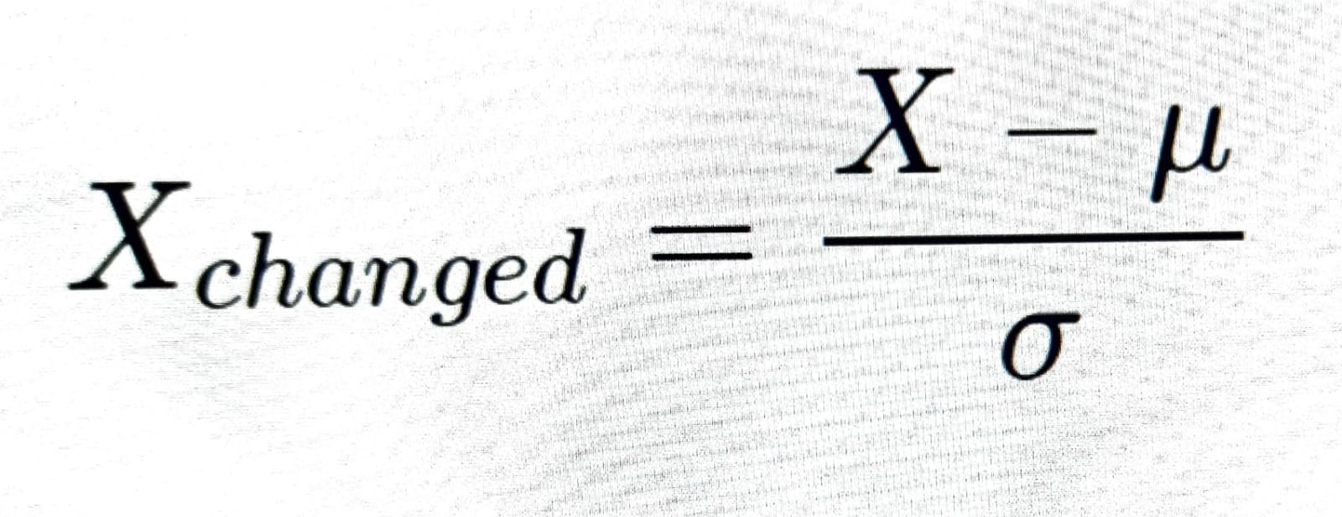

 | ⇰REFERENCE (You Tube)-->Feature Scale Importance For Gradient Descent By Priyanshu Vats

 | ⇰REFERENCE (You Tube)-->Code Basics(Hindi) Regarding Overall Thereotical Definition & Practical Implementation (Coding) of Cost Function or Line of Best Fit
❶PRACTICAL IMPLEMENTATION OF PLOTTING TYPES OF FEATURE SCALING (STANDARDIZATION) IN 1.3 POLYNOMIAL REGRESSION & FEATURE SCALING

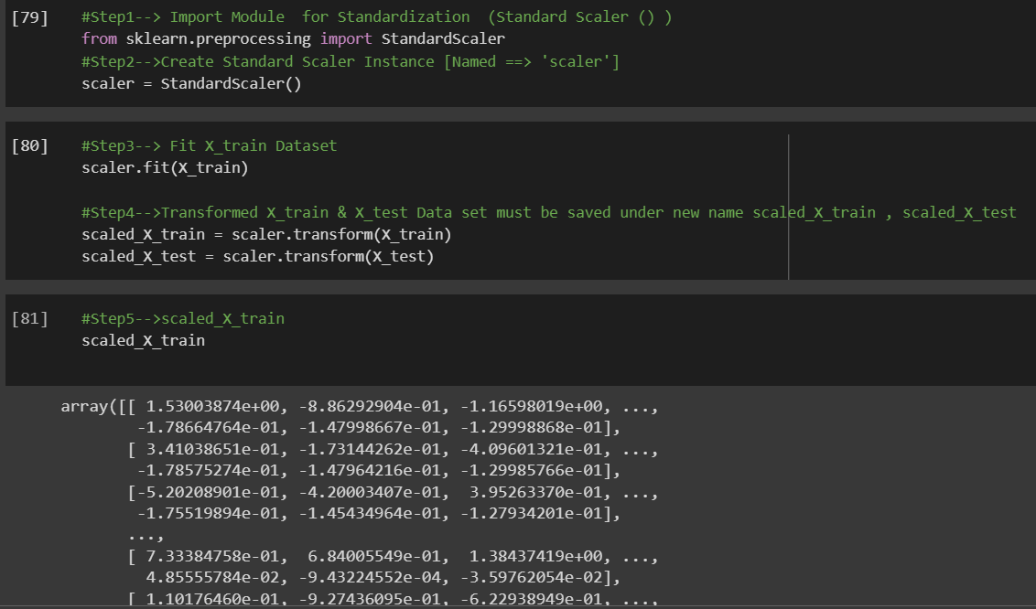

 | ⇰REFERENCE (Website) --> 1.3 Google Colab (Polynomial Regression & Feature Scaling) Regarding Practical Implementation & (Coding) 1st Types of Feature Scaling That is == (Standardization) Standard Scaling

 | ⇰REFERENCE (Website)-->Analytics Vidhya Regarding Meaning of Feature Scaling & Types of Feature scaling 1. Standardization 2.Normalization

 | ⇰REFERENCE (Website)-->Scikit Learn Regarding Practical Implementation & Definition of Feature Scaling (Especially Min-Max Scaler)

6.Perf Eval (Error Metrics)

PERFORMANCE EVALUTION ERROR METRICS |  |  | REFERENCE

▣REGRESSION BASED PERF-ERROR METRICS
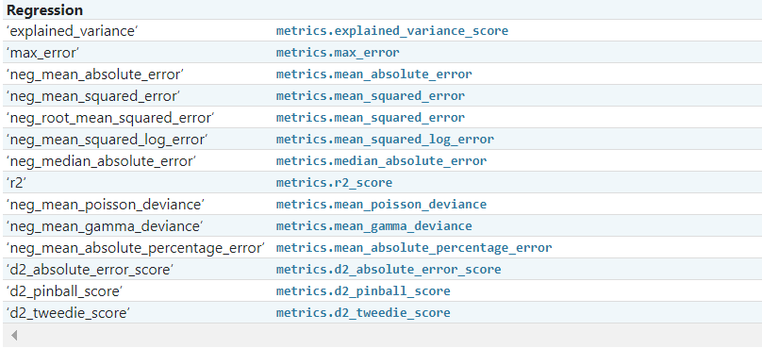 |  |  | ⇰REFERENCE (Website)-->ScikitLearn Regarding Conceptual & Practical Implementation of Scoring & Perf Eval (Error Metrics) For (I.Classification , II.Regression & III.Clustering)

 |  |  | ⇰REFERENCE (Website)-->Udemy Regarding Conceptual Understanding of Various Perf Evaluation Metrics (MAE ,MSE, RMSE, MAPE)

⇰mean square error (MSE)
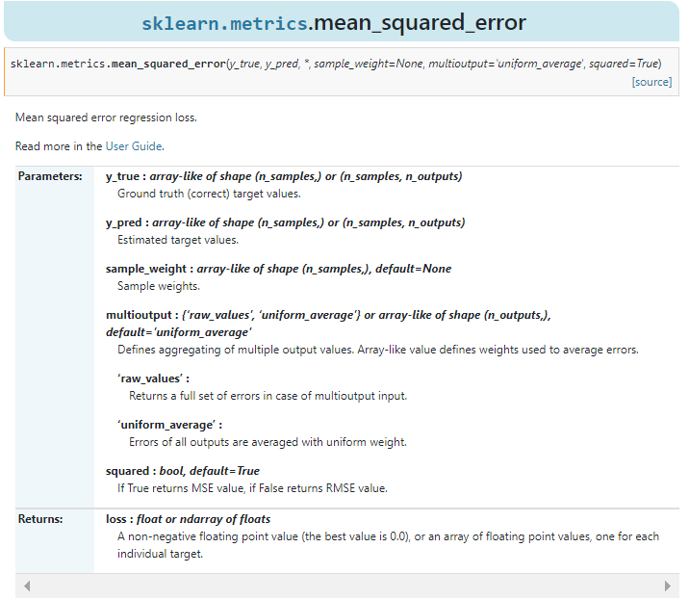 |  |  | ⇰REFERENCE (Website)-->ScikitLearn Regarding Conceptual & Practical Implementation of Scoring & Perf Eval (Error Metrics) For (I.Classification , II.Regression & III.Clustering) | ⇰REFERENCE (Website)-->Stackoverflow Regarding Conceptual Understanding of MSE (Mean Square Errors)

 |  |  |  | ⇰REFERENCE (Website)-->Geeks for Geeks Regarding Conceptual Understanding of Perf Eval Metric (MSE) Mean Square Errors

 |  |  | ⇰REFERENCE (Website)-->Udemy Regarding Conceptual Understanding of Various Perf Evaluation Metrics (MAE ,MSE, RMSE, MAPE)

❶According to Scikitlearn (MSE) Mean squared error regression loss. ❷According to Geeks for Geeks =>The Mean Squared Error (MSE) or Mean Squared Deviation (MSD) of an estimator measures the average of error squares i.e. the average squared difference between the estimated values & true value. It is a risk function, corresponding to the expected value of the squared error loss. It is always non – negative & values close to zero are better. The MSE is the second moment of the error (about the origin) & thus incorporates both the variance of the estimator and its bias. |  |  | ⇰REFERENCE (Website)-->Geeks for Geeks Regarding Conceptual Understanding of Perf Eval Metric (MSE) Mean Square Errors | ⇰REFERENCE (Website)-->Udemy Regarding Conceptual Understanding of Various Perf Evaluation Metrics (MAE ,MSE, RMSE, MAPE)

 |  |  | ⇰REFERENCE (Website)-->Stackoverflow Regarding Conceptual Understanding of MSE (Mean Square Errors) | ⇰REFERENCE (Website)-->ScikitLearn Regarding Conceptual & Practical Implementation of Scoring & Perf Eval (Error Metrics) For (I.Classification , II.Regression & III.Clustering)

⇰mean absolute errors (MAE)
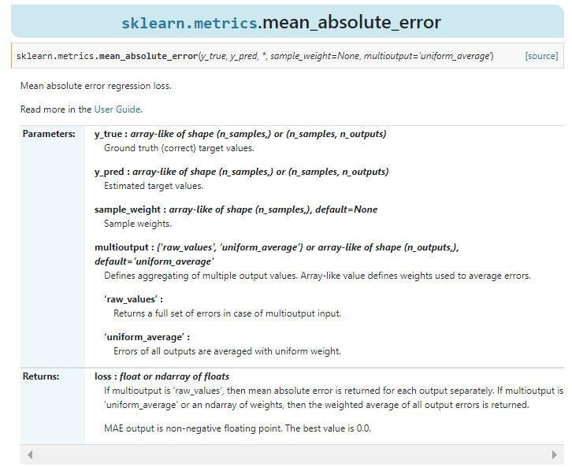 |  |  | ⇰REFERENCE (Website)-->Scikitlearn Regarding Conceptual & Practical Understanding of (MAE) mean_absolute_errors

❶According to Scikitlearn (MAE) Mean Absolute Errors Regression Loss. ❷According to Geeks For Geeks Mean Absolute Error (MAE) calculates the average difference between the calculated values & actual values. It is also known as scale-dependent accuracy as it calculates error in observations taken on the same scale. It is used as evaluation metrics for regression models in machine learning. It calculates errors between actual values & values predicted by the model. It is used to predict the accuracy of the machine learning model. |  | 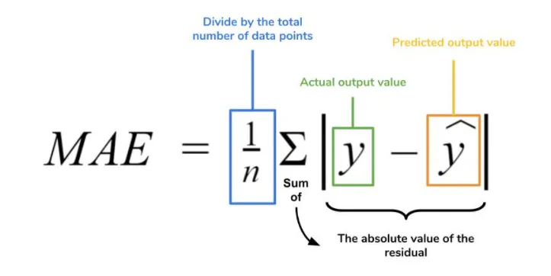 | ⇰REFERENCE (Website)-->Geeks for Geeks Regarding Conceptual Understanding of Perf Eval Metric (MAE) Mean Absolute Errors | ⇰REFERENCE (Website)-->Medium Regarding Conceptual Understanding of (MAE) Mean Absolute Error Challenge by Roi Polanitzer

 |  |  | ⇰REFERENCE (Website)-->(Statistics Showto) Regarding Conceptual Understanding of Absolute Errors & Mean Absolute Errors | ⇰REFERENCE (Website)-->Udemy Regarding Conceptual Understanding of Various Perf Evaluation Metrics (MAE ,MSE, RMSE, MAPE)

⇰ROOT MEAN SQUARE ERRORS (RMSE)
❶According to (Java T Point) RSME (Root mean square error) calculates the transformation between values predicted by a model & actual values. In other words, it is one such error in the technique of measuring the precision & error rate of any machine learning algorithm of a regression problem. Error metric allows us to track the various matrices efficiency & accuracy. |  | 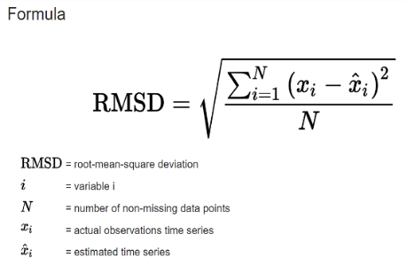 | ⇰REFERENCE (Website)->Java T Point Regarding Conceptual Implementation of Root Mean Square Errors (RMSE) | ⇰REFERENCE (Website)-->Statistics By Jim Regarding Conceptual Understanding of RMSE (Root Mean Square Errors)

 |  |  | ⇰REFERENCE (Website)-->SAP Portal Regarding Conceptual Understanding of Root Mean Square Errors (RMSE)
 |  |  |  | ⇰REFERENCE (Website)-->C3.ai Regarding Conceptual Understanding of Root Mean Square Errors (RMSE)
❷According to (C3.ai) ⇒Root mean square error or root mean square deviation is one of the most commonly used measures for evaluating the quality of predictions. It shows how far predictions fall from measured true values using Euclidean distance.

❸To compute RMSE, calculate the residual (difference between prediction & truth) for each data point, compute the norm of residual for each data point, compute the mean of residuals & take the square root of that mean. RMSE is commonly used in supervised learning applications, as RMSE uses & needs true measurements at each predicted data point.

⇰MAPE (Mean Absolute Percentage Errors)
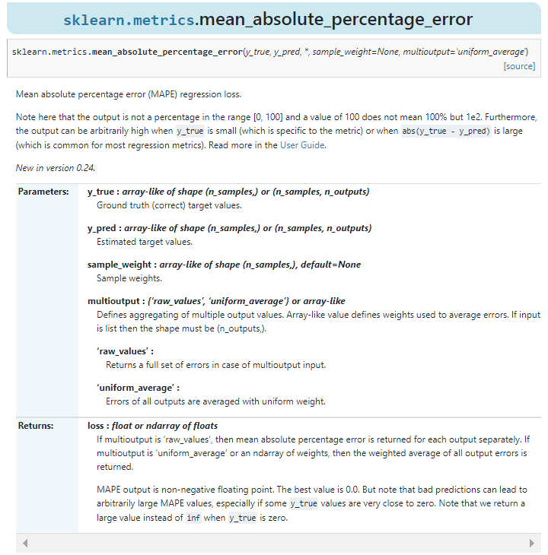 |  |  | ⇰REFERENCE (Website)-->Scikitlearn Regarding Conceptual Understanding of Mean Absolute Percentage Errors (MAPE)

 |  |  | ⇰REFERENCE (Website)-->ScikitLearn Regarding Conceptual & Practical Implementation of Scoring & Perf Eval (Error Metrics) For (I.Classification , II.Regression & III.Clustering)

 |  |  | ⇰REFERENCE (Website)-->Udemy Regarding Conceptual Understanding of Various Perf Evaluation Metrics (MAE ,MSE, RMSE, MAPE)

❶According to Scikit Learn Mean absolute percentage error (MAPE) regression loss. ▣(Note here that the output is not a percentage in the range [0, 100] & a value of 100 does not mean 100% . Furthermore, the output can be arbitrarily high when y_true is small (which is specific to the metric) or when abs(y_true - y_pred) is large (which is common for most regression metrics). |  |  | ⇰REFERENCE (Website)-->Scikitlearn Regarding Conceptual Understanding of Mean Absolute Percentage Errors (MAPE)

 |  |  | ⇰REFERENCE (Website)-->Oracle Regarding Thereotical & Conceptual Understanding of MAPE (Mean Absolute Percentage Errors) | ⇰REFERENCE (Website)-->Geeks for Geeks Regarding Conceptual Understanding of Mean Absolute Percentage Errors (MAPE)
❷According to (Oracle) MAPE is the mean absolute percentage error, which is a relative measure that essentially scales MAE to be in percentage units instead of the variable’s units.Mean absolute percentage error (MAPE) is a relative error measure that uses absolute values to keep the positive & negative errors from canceling one another out and uses relative errors to enable you to compare forecast accuracy between time-series models.

⇰R2 Score
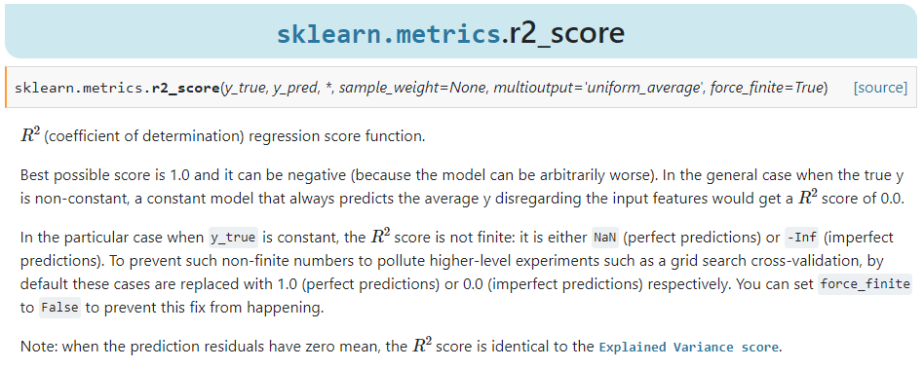 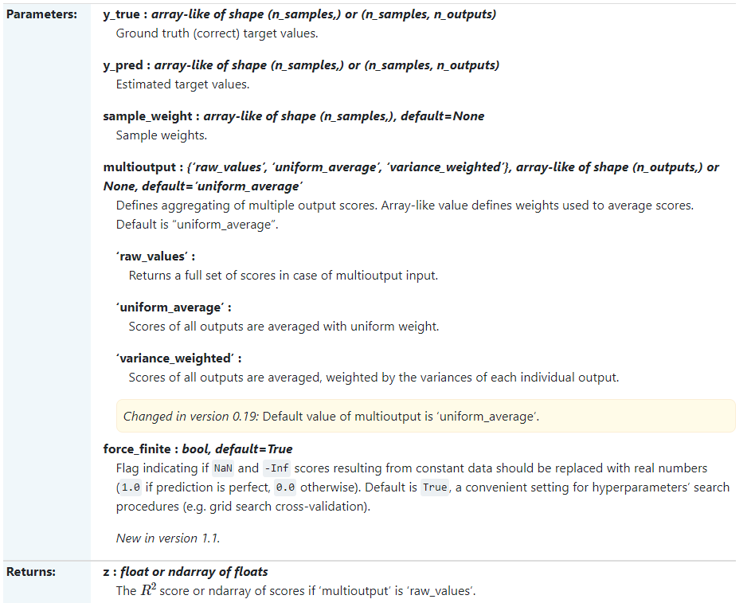 |  |  | ⇰REFERENCE (Website)-->Scikitlearn Regarding Thereotical & Conceptual Understanding of r2_score

 |  |  | ⇰REFERENCE (Website)-->ScikitLearn Regarding Conceptual & Practical Implementation of Scoring & Perf Eval (Error Metrics) For (I.Classification , II.Regression & III.Clustering)

 |  |  | ⇰REFERENCE (Website)-->Udemy Regarding Conceptual Understanding of Various Perf Evaluation Metrics (MAE ,MSE, RMSE, MAPE)

❶According to Scikitlearn (R² Score) (coefficient of determination) regression score function.Best possible score is 1.0 & it can be negative (because the model can be arbitrarily worse). In the general case when the true y is non-constant, a constant model that always predicts the average (y) disregarding the input features would get a score of 0.0. |  |  | ⇰REFERENCE (Website)-->Scikitlearn Regarding Thereotical & Conceptual Understanding of r2_score

 |  |  | ⇰REFERENCE (Website)-->ScikitLearn Regarding Conceptual & Practical Implementation of Scoring & Perf Eval (Error Metrics) For (I.Classification , II.Regression & III.Clustering)

❷In the particular case when y_true is constant, the score is not finite: it is either NaN (perfect predictions) or -Inf (imperfect predictions). To prevent such non-finite numbers to pollute higher-level experiments such as a grid search cross-validation, by default these cases are replaced with 1.0 (perfect predictions) or 0.0 (imperfect predictions) respectively. You can set force_finite to False to prevent this fix from happening.

⇒(INVESTOPEDIA) According to Investopedia R-squared (R2) is a statistical measure that represents the proportion of the variance for a dependent variable that’s explained by an independent variable in a regression model. ⇒(UNDERSTANDING) Whereas correlation explains the strength of the relationship between an independent & a dependent variable, R-squared explains the extent to which the variance of one variable explains the variance of the second variable. So, if the R2 of a model is 0.50, then approximately half of the observed variation can be explained by the model’s inputs. |  | 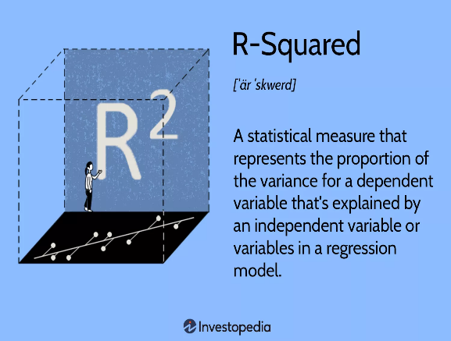

 |  |  | ⇰REFERENCE (Website)-->Investopedia Regarding Conceptual Understanding of Regression Error Metric R2 Square

▣KEY TAKEAWAYS FOR R2 SQUARE

❶R-squared is a statistical measure that indicates how much of the variation of a dependent variable is explained by an independent variable in a regression model. ❷In investing, R-squared is generally interpreted as the percentage of a fund’s or security’s price movements that can be explained by movements in a benchmark index. ❸An R-squared of 100% means that all movements of a security (or other dependent variable) are completely explained by movements in the index (or whatever independent variable you are interested in). |  |  | ⇰REFERENCE (Website)-->Investopedia Regarding Conceptual Understanding of Regression Error Metric R1 Square & Various Key Takeaways by R2 Square | ⇰REFERENCE (Website)-->Udemy Regarding Conceptual Understanding of Various Perf Evaluation Metrics (MAE ,MSE, RMSE, MAPE)

▣EXAMPLES
①According to Geeks for Geeks Coefficient of determination also called as R2 score is used to evaluate the performance of a linear regression model. It is the amount of the variation in the output dependent attribute which is predictable from the input independent variable(s). It is used to check how well-observed results are reproduced by the model, depending on the ratio of total deviation of results described by the model. | 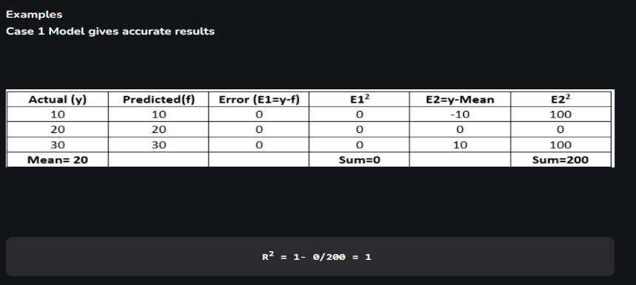
 |  |  | ⇰REFERENCE (Website)-->Geeks for Geeks Regarding Conceptual Understanding of Coefficient of Determination of R2 Square of Error Metrics | ⇰REFERENCE (Website)-->StacksExchange Regarding Conceptual Understanding of Various Definition of (R² Score) (sklearn.metrics.r2_score)

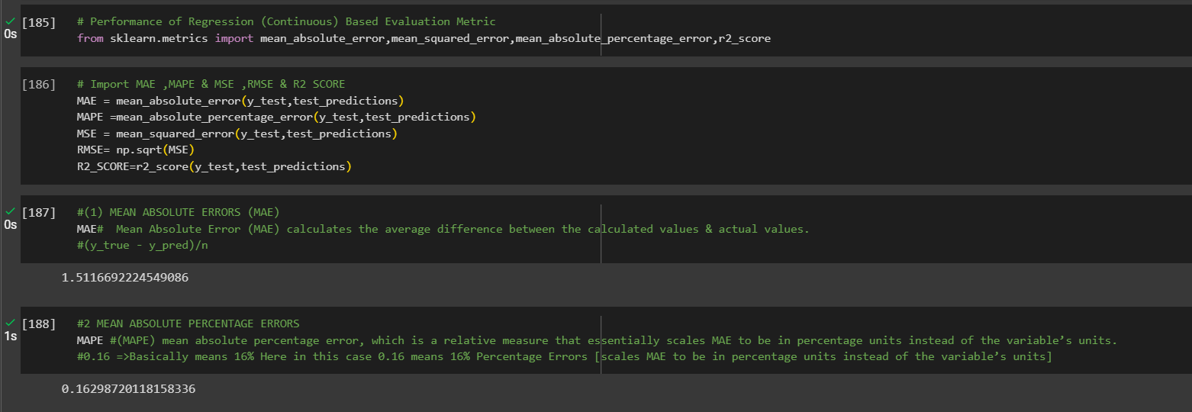 |  |  | ⇰REFERENCE (Website)-->1.2 (Google Colab) Linear Regression Regarding Conceptual Understanding of Various Error Metrics (Perf Eval⇒MAE ,MSE ,MAPE & R2Score)

